AWS
No | Use Case | Scenarios | Steps | Expected Result | Result | Log before test | Log after test | Notes
1 | AWS EKS security groups allow incoming traffic only on TCP port 443. | Verify that there is a security group with type is inbound only contains type is HTTPS | Preconditions: EKS cluster is created using "Elastic Kubernetes Service" VPC and Security Group are created using "VPC" service 1. Login to the AWS console 2. Access to the EKS cluster under test 3. View the EKS details 4. Access the Network 5. Verify that there is only 1 linked cluster security group existed 6. Access the the cluster security group 7. Verify inbound rule | 7. The security group contains Inbound rule only allow type is HTTPS with port 443, and there is no other connection allowed | Failed | 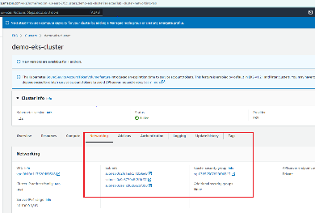 | 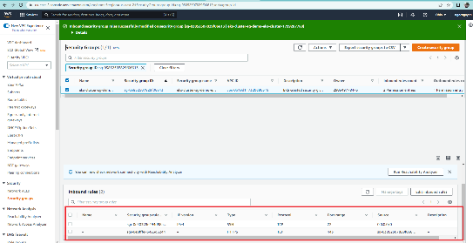
2 | Envelope encryption for EKS Kubernetes Secrets is enabled using Amazon KMS | Verify that KMS key is enabled for EKS cluster | Preconditions: EKS cluster is created using "Elastic Kubernetes Service" KMS key is created by "Key Management Service" 1. Access the EKS cluster under test 2. Access the Overview 3. On the Secret panel, click Enable 4. Select the created KMS key in the precondition 5. Waiting for the enable process finish after some minutes 6. Refresh the page and verify the Secret status | 6. The Secret Encryption status is Enabled and the KMS key displayed | Passed |  | 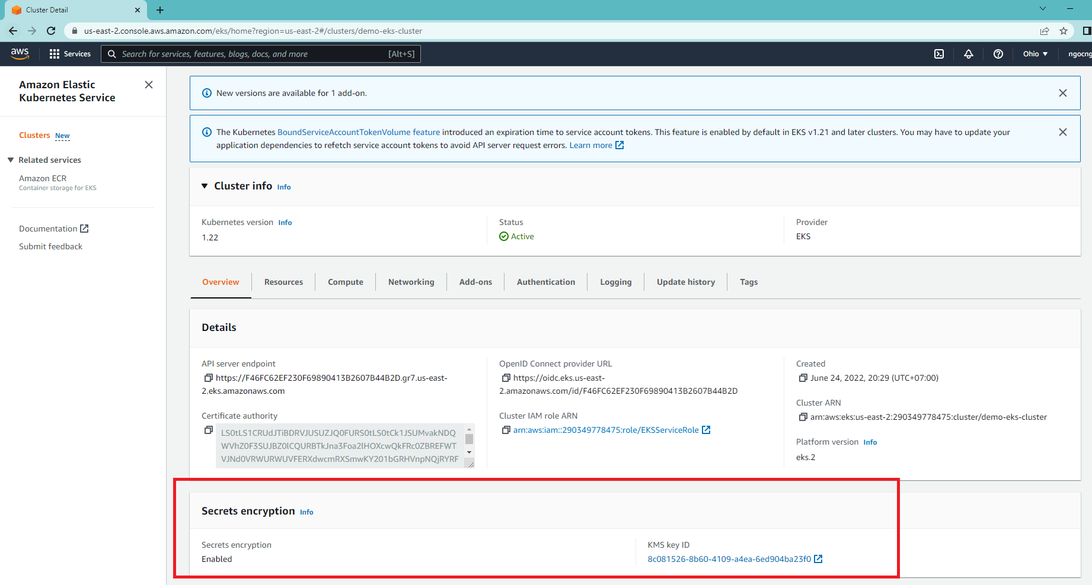
3 | EKS control plane logging is enabled for your Amazon EKS clusters. | Verify that EKS control plane logging is enabled for your Amazon EKS clusters | Preconditions: EKS cluster is created using "Elastic Kubernetes Service" 1. Access the EKS cluster under test 2. Access the Logging module 3. Verify the status of Control Plane | 3. All the log items status are enabled | Passed |  | 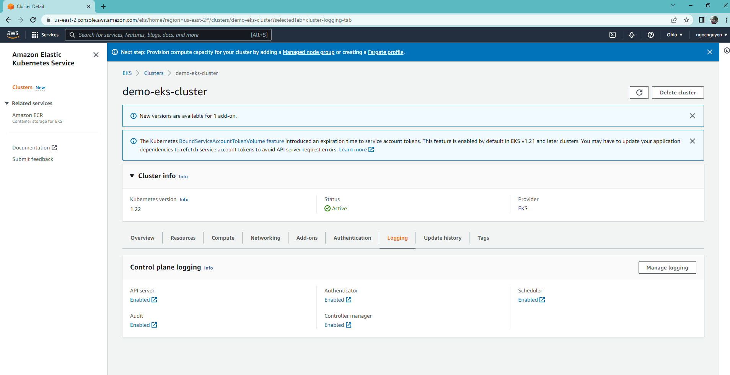
4 | The latest version of Kubernetes is installed on your Amazon EKS clusters. | Verify that the latest version of Kubernetes is installed on your Amazon EKS clusters. | Preconditions: EKS cluster is created using "Elastic Kubernetes Service" 1. Access the EKS cluster under test 2. Verify the Kubernetes info the version 3. Compare to the latest version of Kubernetes that is documented in https://docs.aws.amazon.com/eks/latest/userguide/update-cluster.html | 3. The version of Kubernetes should be the latest one | Passed |  | 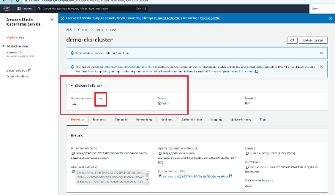
5 | Amazon EKS configuration changes are monitored. | Verify that Amazon EKS configuration changes are monitored | Preconditions: Group Log is created using "CloudWatch" service 1. Access the CloudWatch service 2. Access the created log group 3. Verify Logs in log stream with filter "authenticator" | 3. All the filtered log items displayed | Passed |  | 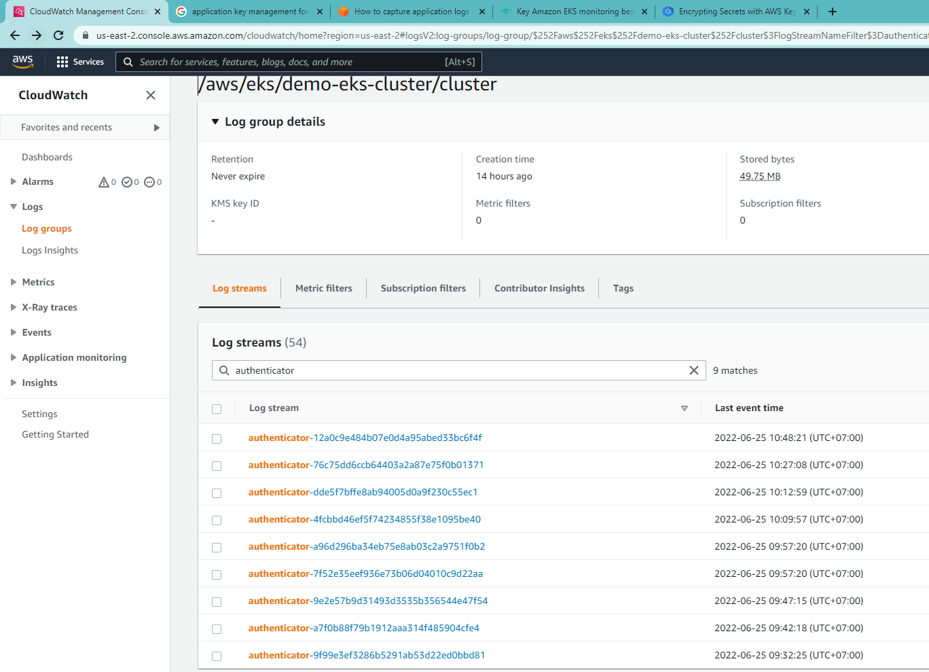

GoogleCloud
No | Use Case | Scenarios | Steps | Expected Result | Result | Log before test | Log after test | Notes
1 | Ensure there are no API keys associated with your Google Cloud Platform (GCP) projects. | Verify that there are no API keys associated with your Google Cloud Platform (GCP) projects. | 1. Select the project under test 2. Open "API and Service" 3. Access Credentials 4. Verify the API Keys list | 4. The API Keys list should be empty | Passed |  | 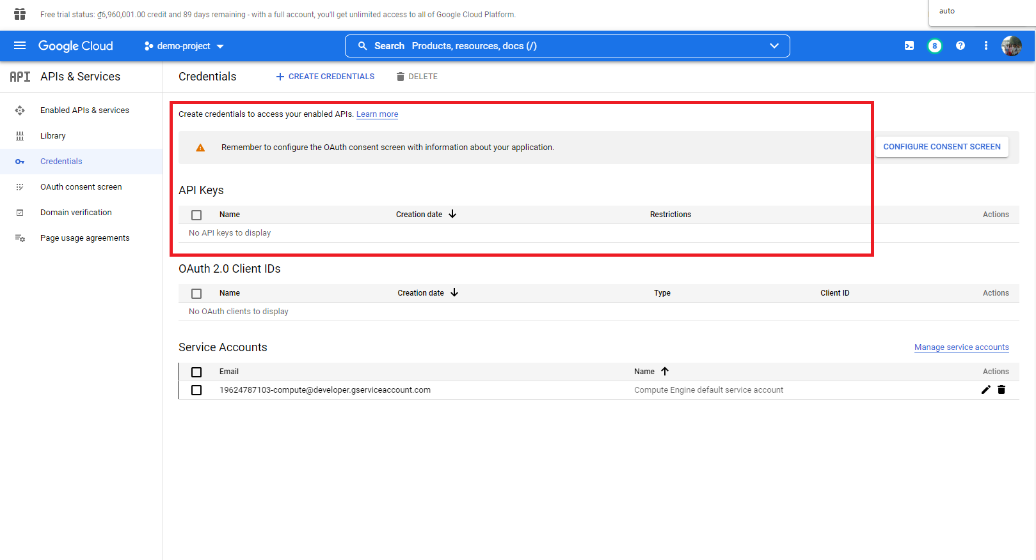
2 | Ensure that your Google Kubernetes Engine (GKE) clusters are using automatic upgrades for their nodes. | Verify that your Google Kubernetes Engine (GKE) clusters are using automatic upgrades for their nodes. | Preconditions: The Kubernetes cluster is created. 1. Access the Kubernetes cluster 2. Access to the Node pool details 3. Verify the "Auto-upgrade" status | 3. The "Auto-upgrade" status should be "enabled" | Passed |  | 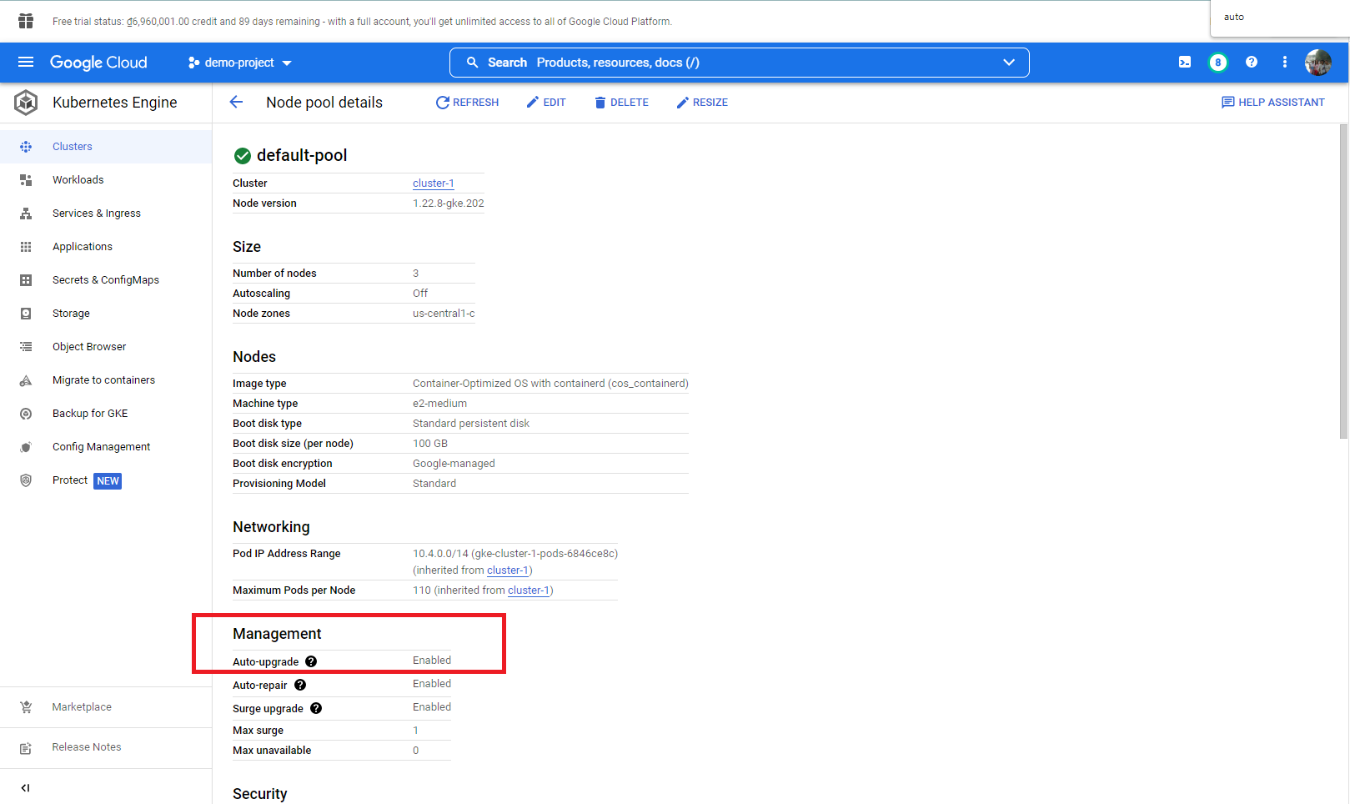
3 | Ensure that encryption of Kubernetes secrets using Cloud KMS is enabled for GKE clusters. | Verify that encryption of Kubernetes secrets using Cloud KMS is enabled for GKE clusters. | Preconditions: The Kubernetes cluster is created. The Key Ring and crypto key are created 1. Access to the Cluster 2. Verify the "Application Layer secrets encryption" status | 2. The status should be "Enabled" with linked crypto key displayed | Passed | 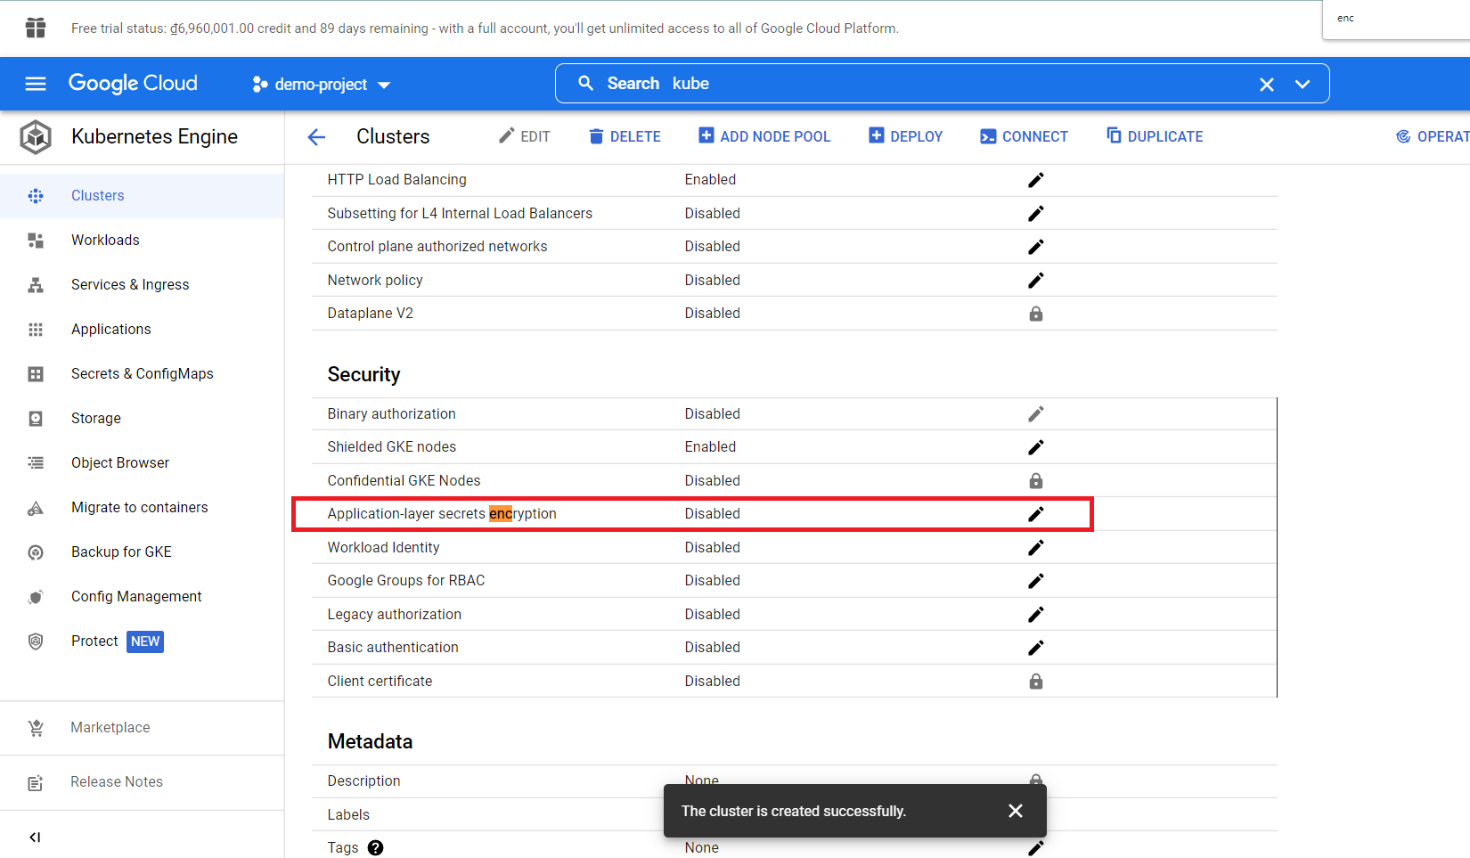 | 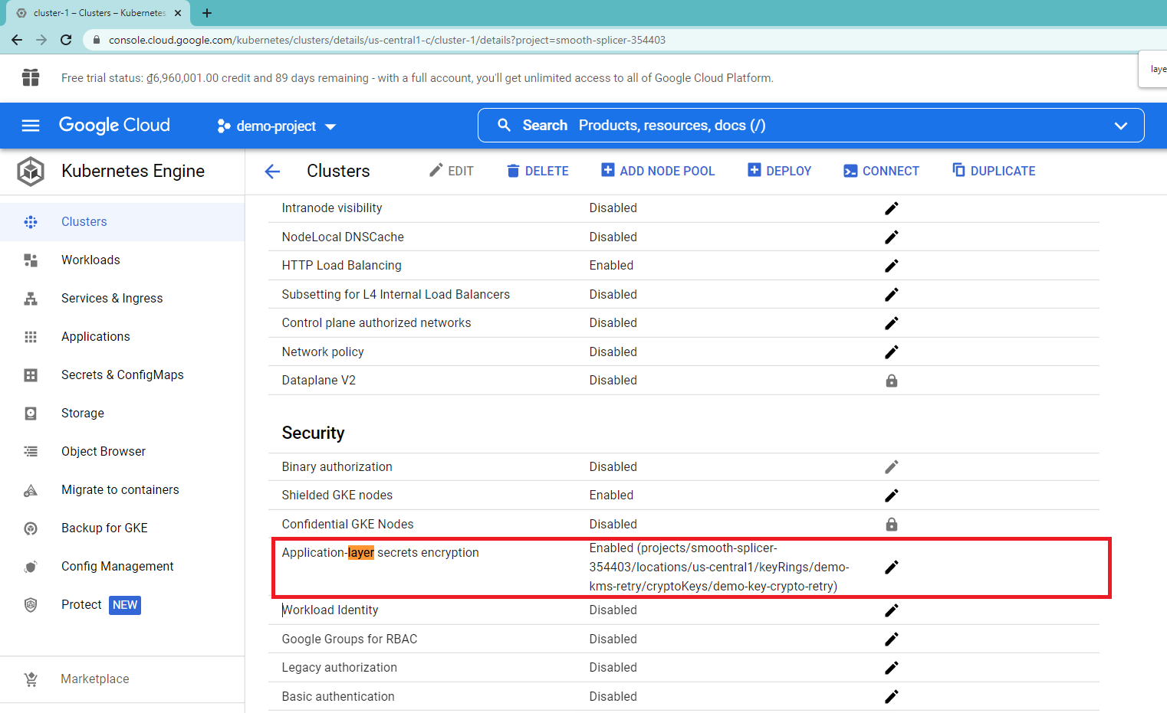
4 | Ensure that the default VPC network is not being used within your GCP projects. | Verify that the default VPC network is not being used within your GCP projects. | 1. Access to the GCP project 2. Access to the cluster under project 3. Verify the VPC status in Networking | 3. The status should be disabled | Failed |  | 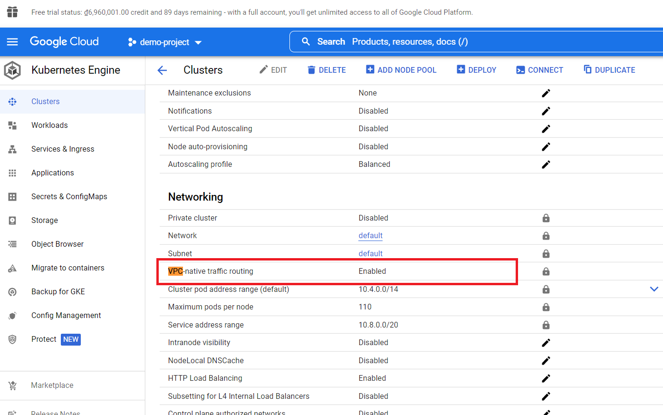
5 | Ensure that Cloud SQL database instances are not wide open to the Internet. | Verify that Cloud SQL database instances are not wide open to the Internet. | Preconditions: The Cloud SQL database instance is created using SQL service 1. Access to the Cloud SQL database instance 2. Access the connection 3. Verify the "IP Instance Assignment" | The "Private IP" is checked and displayed | Passed | 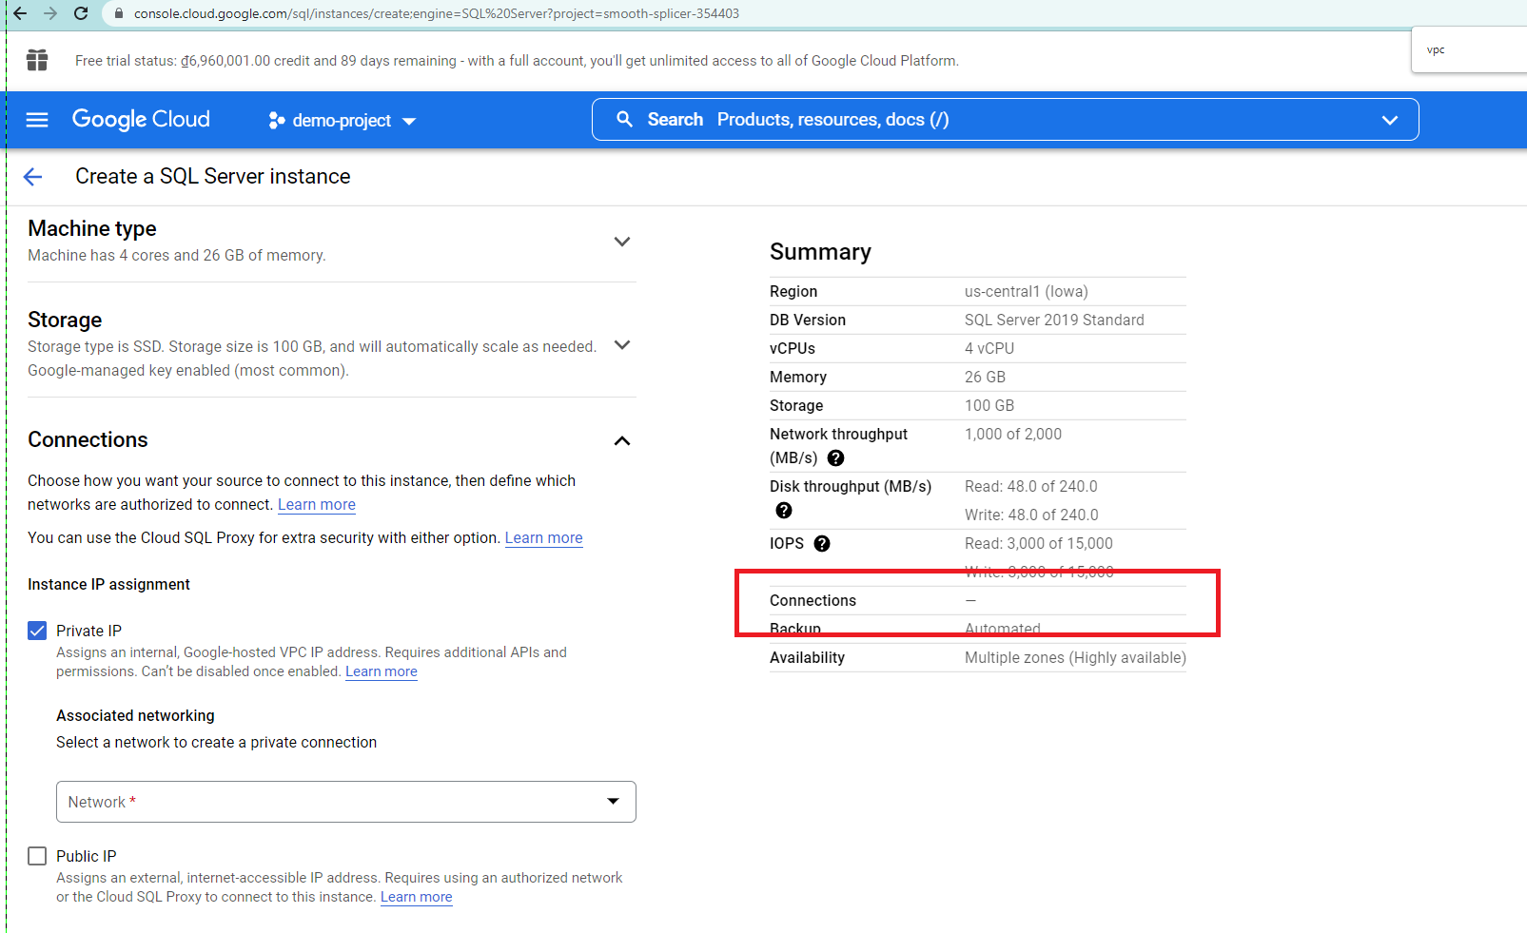 | 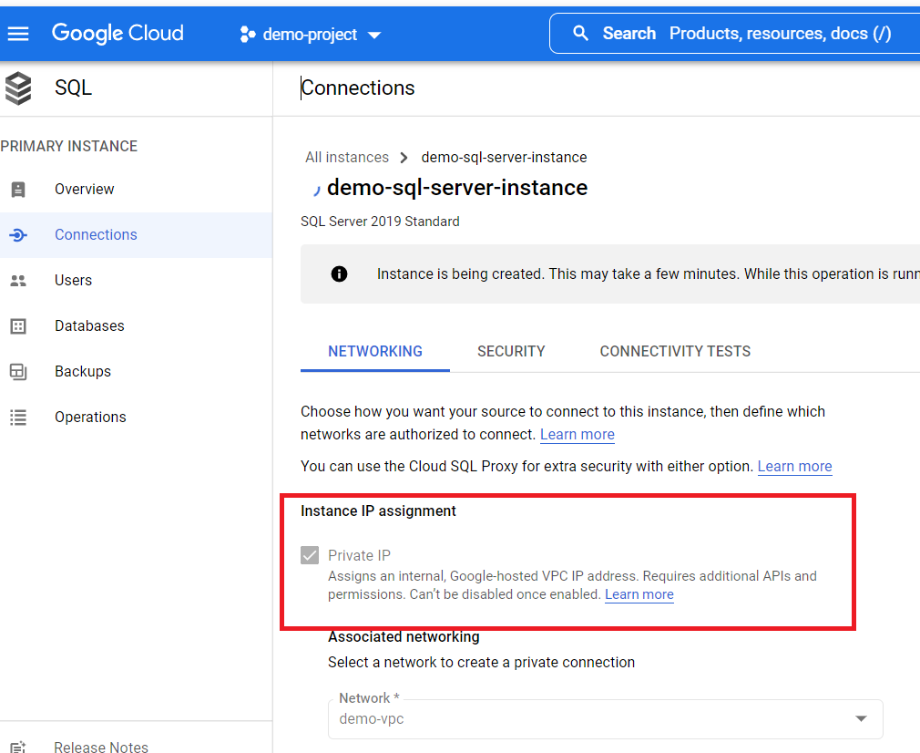

MicrosoftAzure
No | Use Case | Scenarios | Steps | Expected Result | Result | Log before test | Log after test | Notes
1 | Enable Kubernetes Role-Based Access Control - AKS | Verify Kubernetes Role-Based Access Control - AKS is enabled | Preconditions: A resource group is created A Kubernetes cluster is created link to the created Resource Group 1. Access to the Resource Group in the precondition 2. Access to the IAM setting in the Resource Group 3. Access the "Role assignment" and verify the list | 3. Members are assigned with Role_base | Passed | 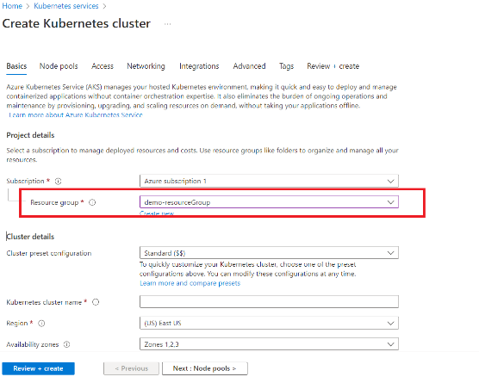 | 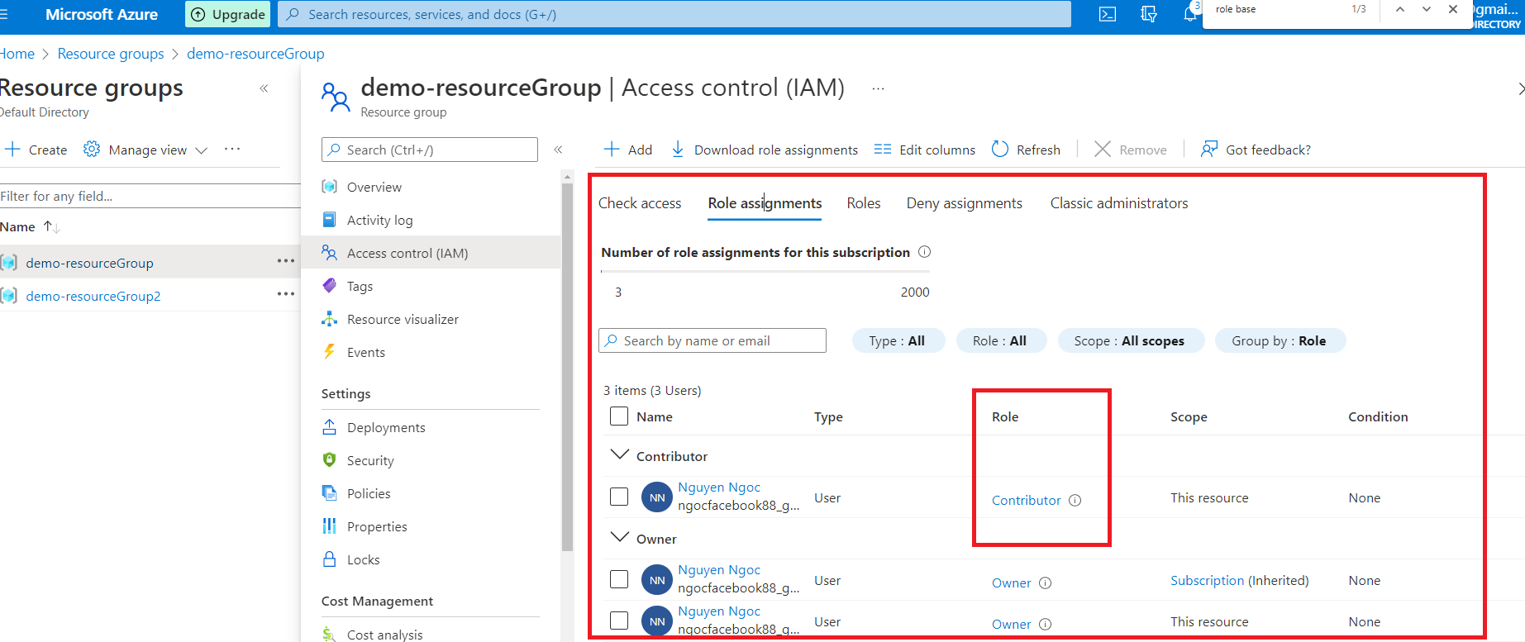
2 | Ensure that no network security groups allow unrestricted inbound access on TCP port 3389 (Remote Desktop Protocol – RDP). | Verify that no network security groups allow unrestricted inbound access on TCP port 3389 (Remote Desktop Protocol – RDP) at level Virtual Machines | Preconditions: Kubernetes cluster is created Virtual machine is created 1. Open created virtual machine 2. Verify the network, inbound rule list | 2. There is no rule allow TCP port 3389 | Failed
3 | Ensure that no network security groups allow unrestricted inbound access on TCP port 3389 (Remote Desktop Protocol – RDP). | Verify that no network security groups allow unrestricted inbound access on TCP port 3389 (Remote Desktop Protocol – RDP) at level Security Group service | Preconditions: A Security Group is created using Security Group service 1. Access Inbound Securities rule 2. Veriry the list of rules | 2. There is no rule allow TCP port 3389 | Passed
4 | Ensure there is a sufficient daily backup retention period configured for Azure virtual machines. | Verify that there is a sufficient daily backup retention period configured for Azure virtual machines. | Preconditions: A virtual machine is created. 1. Access to the VM 2. Access the "Backup" configuration 3. Verify the configuration is already existed | 3. The backup policy details should show as daily backup at specific timeframe | Passed
4 | Ensure there is a sufficient daily backup retention period configured for Azure virtual machines. | Verify that there is a daily backup successfully run for Azure virtual machines. | Preconditions: A virtual machine is created. Backup configuration already done 1. Access to the VM 2. Access the "Backup Item" 3. Verify the backup already run successfully as the configuration | 3. The backup status is Passed | Passed

